Valuation
Trading Comparables Valuation

Workout
 | Calculate enterprise value using the information below.

 | Share price | 11.69
 | Basic shares outstanding MM | 338.3
 | Diluted shares outstanding MM | 342.5
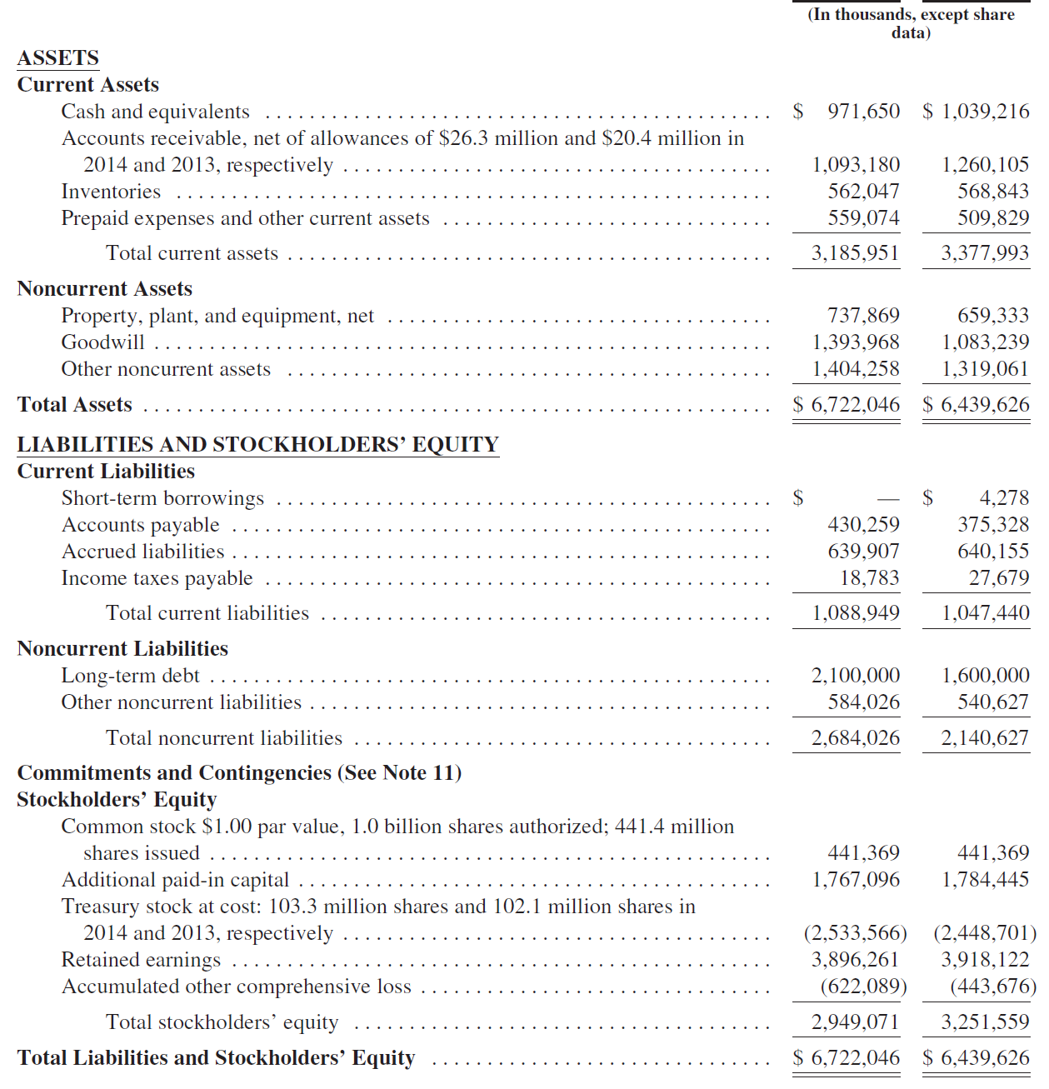
 |  |  | Latest year | Earliest year

 | Share price | 11.7
 | Diluted shares outstanding MM | 342.5
 | Short term borrowings | 0.0
 | Long term debt | 2,100.0
 | Cash and cash equivalents | 971.7
 | Enterprise value | 5,131.7

Workout
 | Calculate enterprise value using the information below. |  |  |  | Colgate Palmolive

 | Share price | 71.16
 | Financial statement information below in millions. |  |  | Latest year | Earliest year
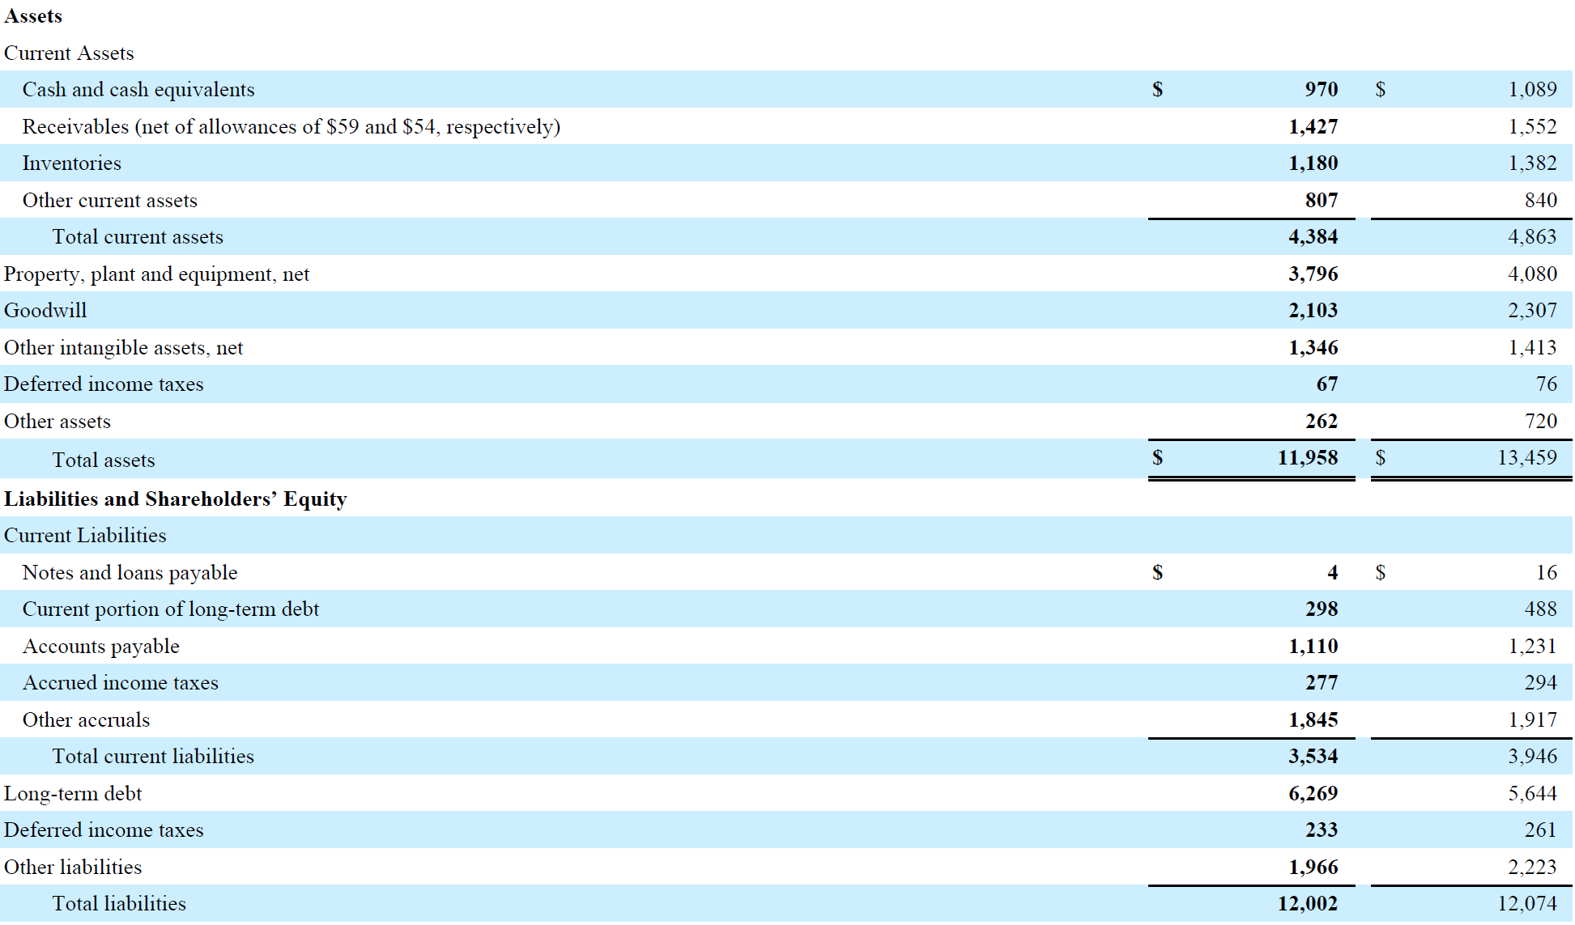

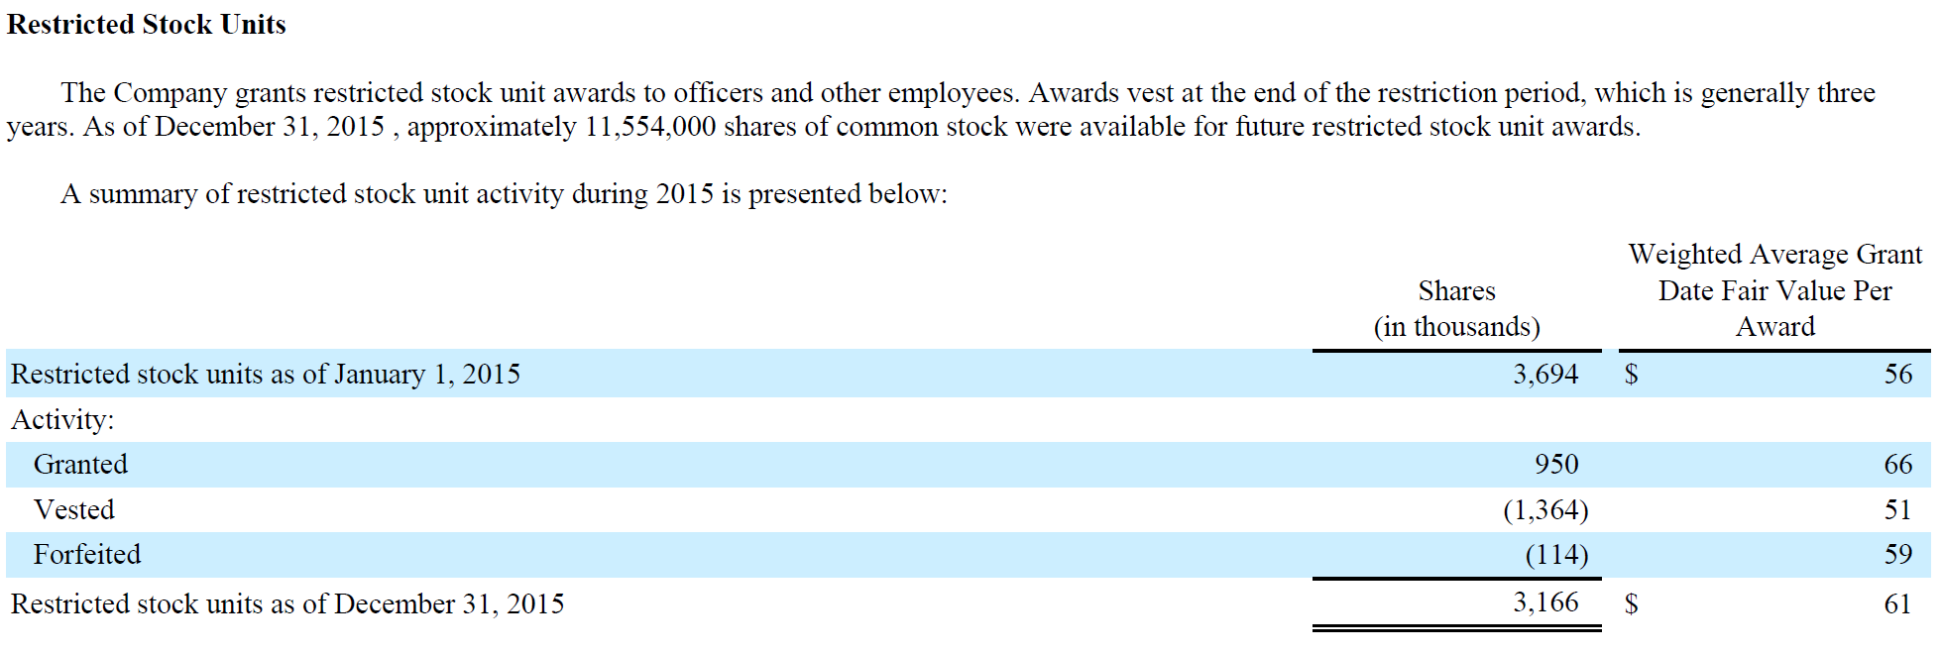

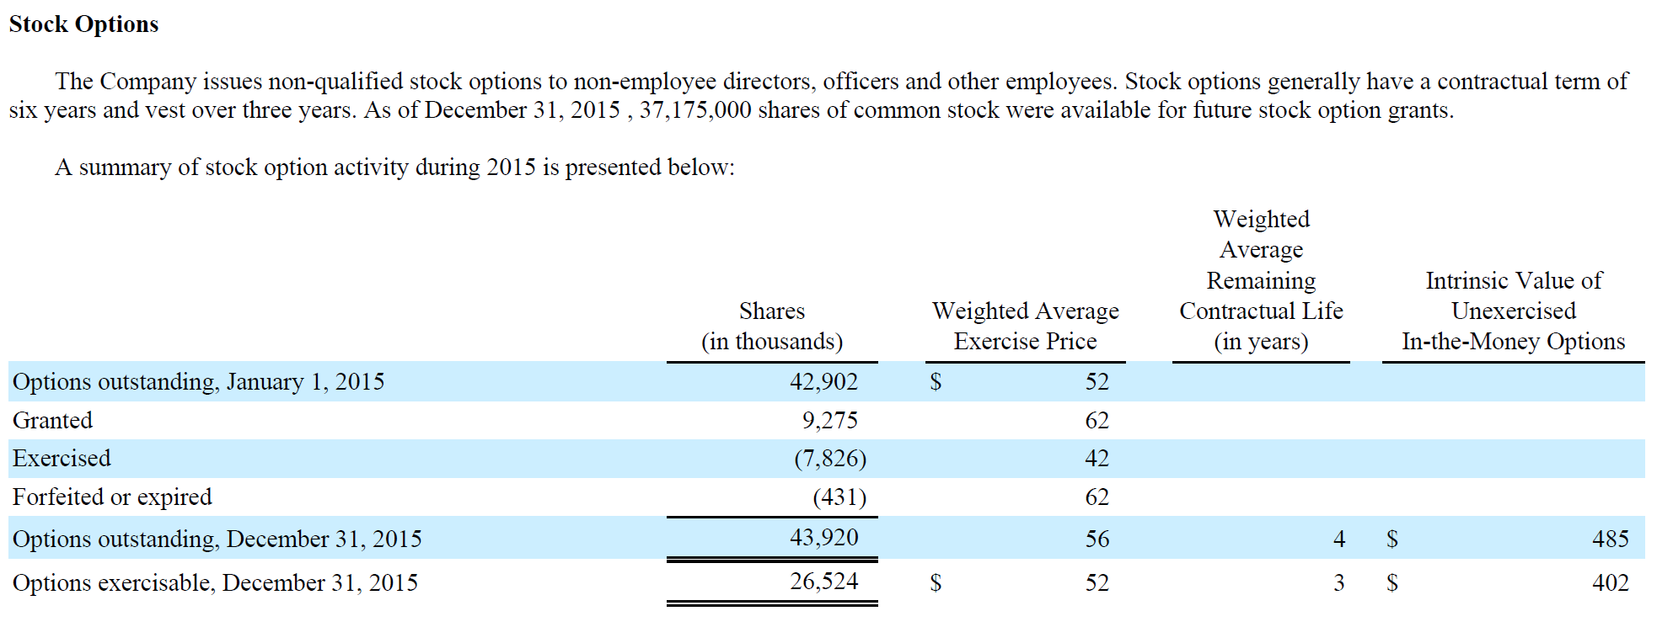

 | Basic shares outstanding MM | 892.7
 | RSUs | 3.2
 | Number of options outstanding | 43.9
 | Strike price | 56.0
 | Stock options - net new shares | 9.4
 | Diluted shares outstanding MM | 905.3
 | Share price | 71.16
 | Equity value | 64,418.4
 | Notes and loans payable | 4.0
 | Current portion of long term debt | 298.0
 | Long term debt | 6,269.0
 | Cash and cash equivalents | 970.0
 | Enterprise value | 70,019.4

Workout
 | Calculate enterprise value using the information below.

 | Share price - 10th March | 5.42
 | Basic shares outstanding - front page of 10K, 9th February | 389.5
 | Net new shares from dilution - 10K 31st December | 19.5
 | Debt - 10K 31st December | 78,574.1
 | Cash and cash equivalents - 10K 31st December | 10,836.5

 | The business issued 25,000.0 debt to pay for an acquisition on February 20th.

 | Share price | 5.42
 | Basic shares outstanding | 389.5
 | Net new shares from dilution - 10K 31st December | 19.5
 | Equity value | 2,216.8
 | Debt | 78,574.1
 | Debt issuance | 25,000.0
 | Cash and cash equivalents - 10K 31st December plus cash from debt issuance | 35,836.5
 | Enterprise value | 69,954.4

